Use_Case
7.2 Màn hình đăng nhập bằng User

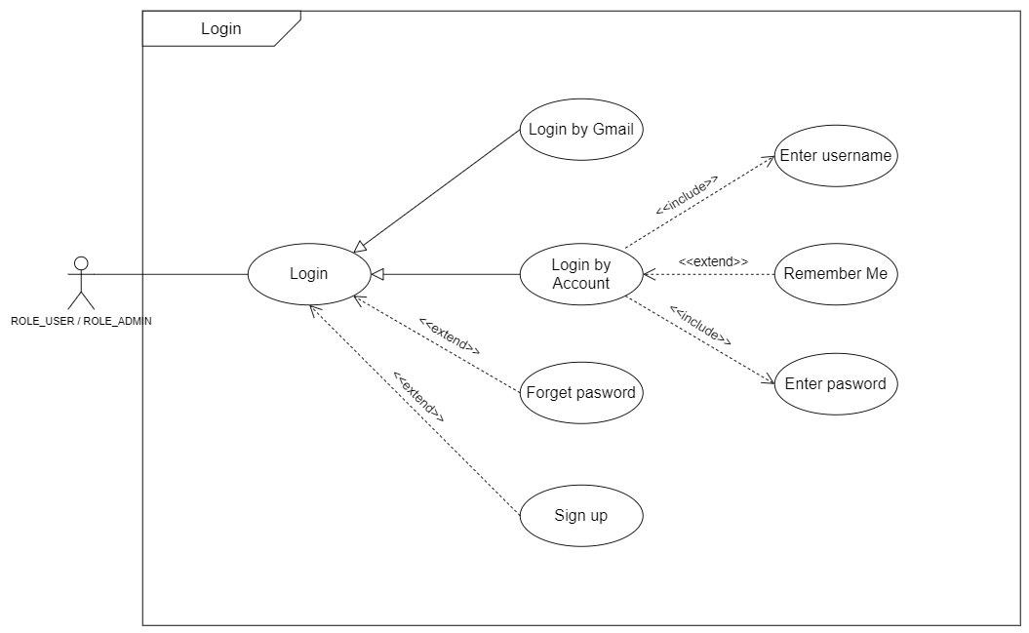

7.2.1 Màn hình đăng nhập bằng gmail

Class_Diagram
7.2 Màn hình đăng nhập bằng User

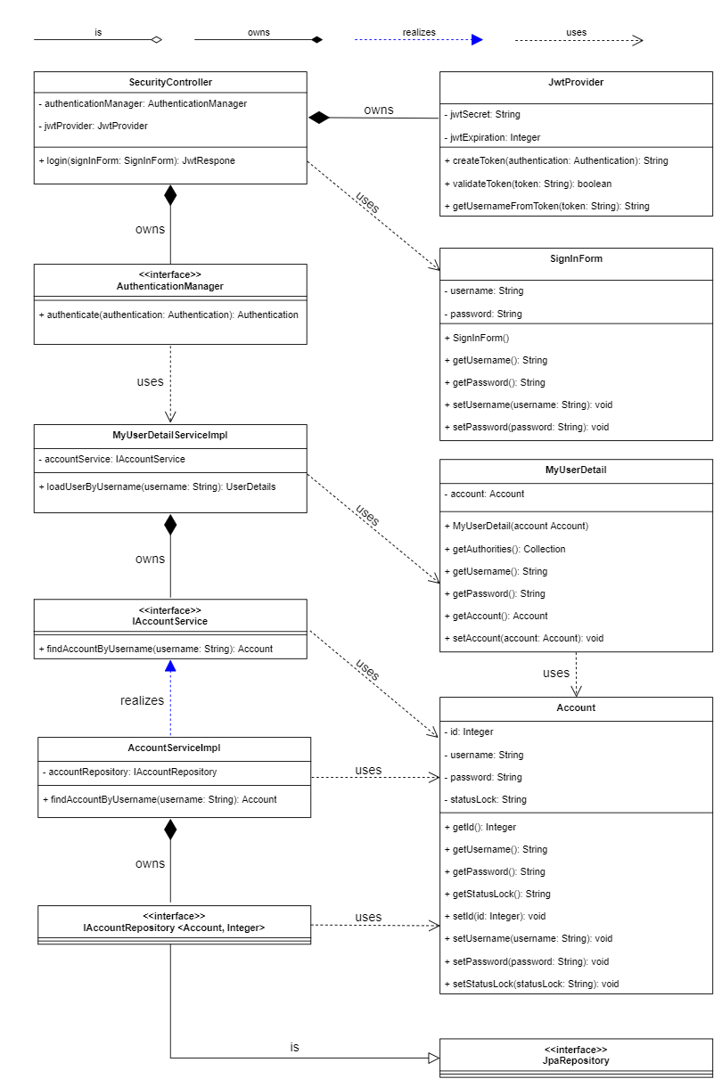

7.2.1 Màn hình đăng nhập bằng gmail

Sequence_Diagram
7.2 Màn hình đăng nhập bằng User

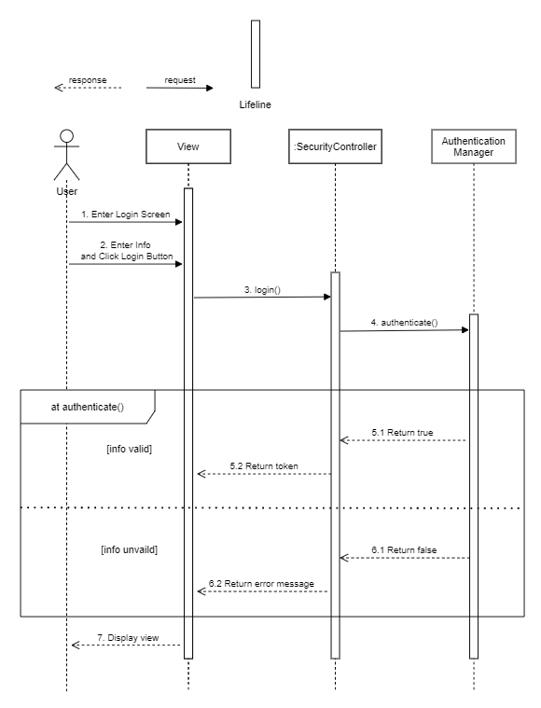

7.2.1 Màn hình đăng nhập bằng gmail

